basic
WORKBOOK

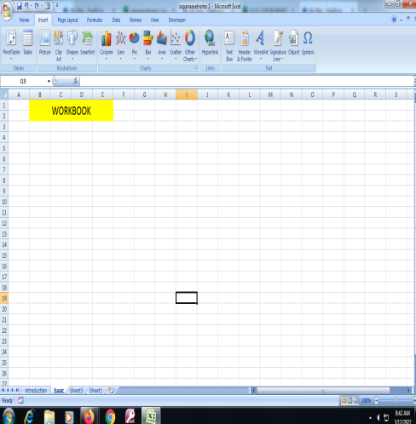
 | workbook is a file that contains one or more worksheets to help you organize data.

WORKSHEET

 |  | An Excel worksheet is a grid of cells. It can contain data, tables, charts, etc

CELL NAME

cell in the spreadsheet has a corresponding name, which is identified by its column letter and row number.

FORMULA BAR

Excel formula bar is a special toolbar at the top of the Excel worksheet window, labeled with function symbol (fx).

RIBBON

Microsoft Excel ribbon is the row of tabs and icons at the top of the Excel window

